6-A
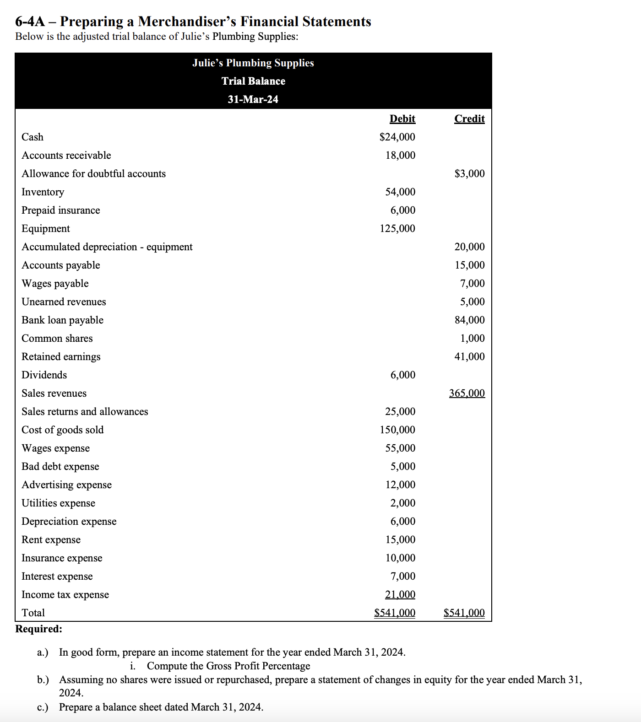

Julies Plumbing supplies |  |  |  | Julies Plumbing supplies
Icome Statement |  |  |  | Changes in Equity
For the year ended 31.Mars.2024 |  | Debit | Kredit | For the year ended 31.Mars.2024
A) | Sales Revenue |  | 365,000 |  | Debit | Kredit
 | Sales Returns and Allowences | 25,000 |  | Common Shares |  | 1,000
 | Cost of Goods sold | 150,000 |  | Retained Earnings (ÓRE) |  | 41,000
 | Wages Exp. | 55,000 |  | total |  | 42,000
 | Bad debt exp. | 5,000 |  | Net Income | 57,000
 | Advertising exp | 12,000 |  | Retained Earnings total |  | 93,000
 | Utilities Expense | 2,000 |  | Dividends | 6,000
 | Deprication Exp | 6,000 |  | S.E total | 93,000
 | Rent exp. | 15,000
 | Insurance Exp | 10,000
 | Intrest exp. | 7,000
 | Total Expense before taxes | -287,000 |  | Common Shares | 1,000
 | Income tax expense | 21,000 |  | Total Retained Earnings | 93,000
 | Total expense after taxes | -308,000

 | Net income | 57,000

 | sales, net | 340,000

 | Cost of goods sold | 150,000

 | gross margin | 190,000

A) | Gross profit percentage | 55.88%

